Sheet1
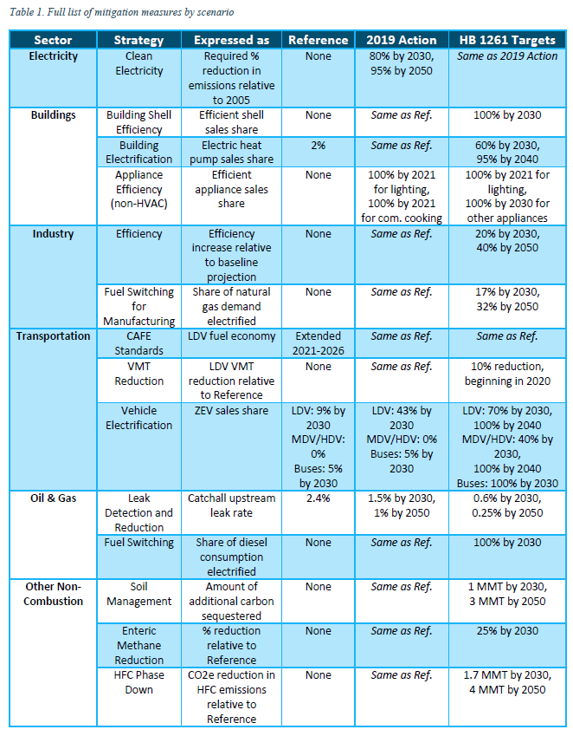
Colorado Policy Scenario

 | Sector | 2019 Action
 | Electricity | 80% by 2030, 95% by 2050 | required reduction in emissions relative to 2005

 | Buildings | Appliance efficiency: 100% by 2021 for lighting; 100% by 2021 for comm cooking | efficient appliance sales share | commercial cooking is 20% of appliance energy use, took 20% of .38 (max eff)
 | Industry | None
 | Transportation | Veh Elec: LDV 43% by 2030; MDV/HDV: 0%; Buses: 5% by 2020 | elec vehicle sales by 2030
 | Oil and Gas | Leak Dedection: 1.5% by 2030, 1% by 2050
 | Fuel Switching | None
 | Other | None

